Use Case Diagram
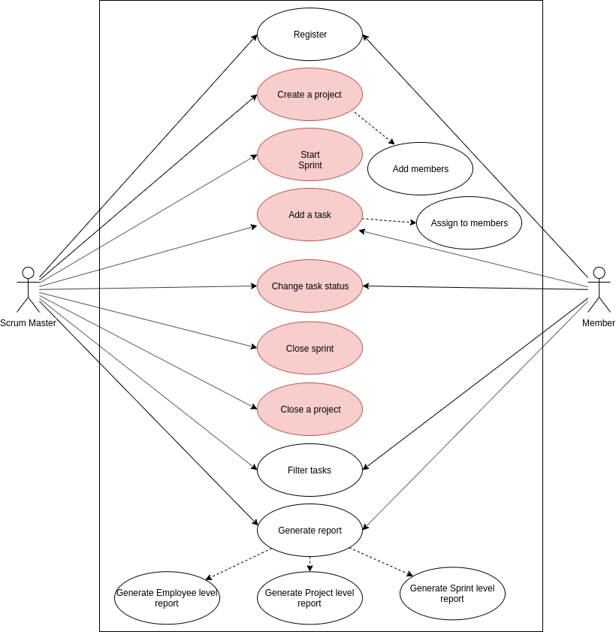
Scrum Master Tool

